Ratios
Ratios | 2024 | 2025 | 2026 | 2027
Profitability Ratios:
Gross profit margin |  | 94.16% | 94.88% | 95.52%
Operating profit margin |  | 0.25 | 0.08 | 0.124
Net profit margin |  | 0.19 | 0.06 | 0.095
Return on assets |  | 80.34% | 16.03% | 26.91%
Return on equity |  | 100.00% | 26.46% | 34.01%

Return on equity vs Ratios
Return on assets vs Ratios

Chart
 | 2025 | 2026 | 2027
Sales | 1,276,578,449 ₫ | 1,507,209,736 ₫ | 1,780,364,587 ₫
Sale

 |  |  | 2025 | 2026 | 2027
 | General & admin expenses |  | 405,705,000 ₫ | 527,915,000 ₫ | 655,989,950 ₫
Total expense

 |  |  | 2025 | 2026 | 2027
Profit before tax |  |  | 301,287,816 | 108,380,650 | 211,156,384

EBIT

 |  | 2025 | 2026 | 2027
FCF |  | 301,287,816 | 86,704,520 | 168,925,107

FCF

Return on equity vs Ratios

Return on assets vs Ratios

 |  |  | 2025 | 2026 | 2027
Expected GPM |  |  | 94.16% | 94.88% | 95.52%

Cost profit margin

Reference Link
Cloud | https://azure.microsoft.com/en-us/pricing/details/cloud-services/
Domain | https://vercel.com/pricing
Lãi suất ngân hàng | https://thuvienphapluat.vn/banan/tin-tuc/muc-lai-suat-cho-vay-binh-quan-cua-cac-ngan-hang-hien-nay-la-bao-nhieu-9926
KOC nano (10.000 - 50.000 follower): Giá book từ 2 triệu đến 5 triệu đồng.
số lượng người đi khám | https://www.researchgate.net/publication/378539137_Thuc_trang_suc_khoe_rang_mieng_cua_nguoi_benh_den_kham_rang_ham_mat_tai_Vien_Y_hoc_Phong_khong_-_Khong_quan_nam_2023
tình trang bệnh răng miệng, tần suất sử dụng các laoij dịch vụ | https://tapchinghiencuuyhoc.vn/index.php/tcncyh/article/download/2157/1479/26527
giá cả trung bình theo thông tư 21/2023/TT-BYT VÀ THÔNG TƯ 22/2023/TT-BYT | https://bvranghammat.com/bang-gia-benh-vien/

Google Ads Pricing | https://www.semrush.com/blog/keyword-cost/?fbclid=IwZXh0bgNhZW0CMTAAAR06_T_1EyLds-dqs0H2nmBcxWUBlpk6KjQ0fUZ4BSmI8u3SeGsQ68OSHoA_aem_ao9swRkh323j4gUmJbs2Lg
 | https://www.webfx.com/blog/ppc/much-cost-advertise-google-adwords/#:~:text=Google%20Ads%20costs%20%24100%20%E2%80%93%20%2410%2C000,campaign%20targeting%2C%20and%20ad%20network.
REVENUE MULTIPLES BY INDUSTRY (For fundraising) Number: 2.0 (EV to Revenue) | https://eqvista.com/revenue-multiples-by-industry/
giá tham khảo cho chi phí tăng trưởng những năm gần nhất | https://nhakhoakim.com/bang-gia-nha-khoa-nieng-rang-rang-su-implant.html
 | https://www.docosan.com/blog/nha-khoa/bang-gia-nho-rang-sau/

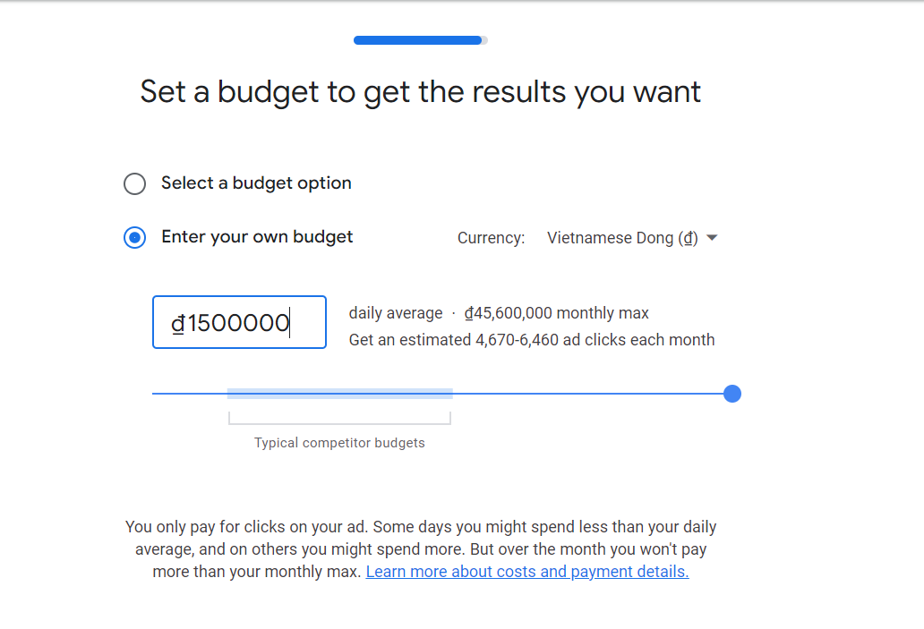
 | https://nhakhoakim.com/bang-gia-nha-khoa-nieng-rang-rang-su-implant.html
 | https://www.docosan.com/blog/nha-khoa/bang-gia-nho-rang-sau/
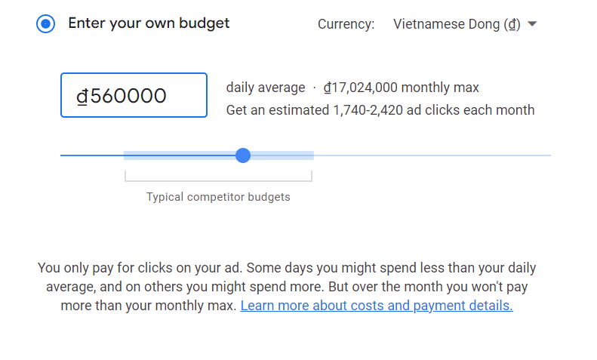

máy in | https://www.nguyenkim.com/may-in-phun-da-nang-brother-mfc-t920dw.html
máy tính
thuê văn phòng | https://grandpark-vinhomes.com/cho-thue-can-ho-chung-cu-vinhomes-grand-park/

